Sheet1
QuickDraw ROI Calculator

Sprayer Information | Value | Description
Customer Name | Jensen Farms
Dealer Name | 5 Star Sellers
Spraying Speed (mph) | 15
Boom Width (ft) | 120
Field Efficiency (%) | 85% | Field Efficiency allows for turning, reduced speed, field shape, etc.
Sprayer Tank Size (gallons) | 1,000
Application Rate (GPA) | 12
Optimal spraying hours per day | 8 | Typically how many hours per day can you spray with optimal results, factoring in wind, temperature, dew, time of day, etc.
Current Time to fill sprayer (minutes) | 20
QuickDraw Time to fill sprayer (minutes) | 10
Total acres sprayed per year | 30,000
Custom Application Rate ($/acre) | $7.50
Sprayer Trade Depreciation ($/hr) | $150 | $/hour used reduction in sprayer value
Sprayer Operator Labor ($/hr) | $30 | total employment costs for sprayer operator per hour
QuickDraw model | 6 Product - $37,800

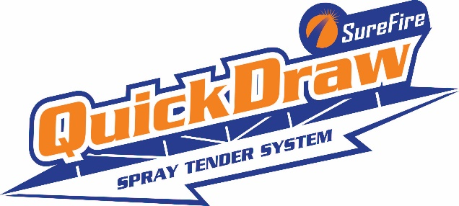
QuickDraw Advantage for
Jensen Farms
Prepared by
5 Star Sellers
Sprayer Information
Spraying Speed (mph) | 15
Boom width (ft) | 120
Field efficiency (%) | 85%
Sprayer tank size (gallons) | 1,000
Application rate (GPA) | 12
Optimal spraying hours per day | 8
Total acres sprayed per year | 30,000
Custom Application Rate ($/acre) | $7.50
Sprayer trade depreciation ($/hour) | $150
Sprayer operator labor cost ($/hour) | $30
QuickDraw model & investment price | 6 Product - $37,800
QuickDraw Advantage every day
 | Current | with QuickDraw
Time to tender sprayer (minutes) | 20 | 10
Acres sprayed per day in optimal conditions | 852 | 1082
Full sprayer loads per day in optimal conditions | 10 | 12
Total time tendering sprayer per day (minutes) | 200 | 120

QuickDraw Advantage by reducing sprayer hours
 | Current | with QuickDraw
Total Spray and Fill Time per year (hours) | 282 | 222
Annual Time Savings (hours) |  | 60
Annual Trade Depreciation | $42,265 | $33,265
Annual Reduction in Trade Depreciation |  | $9,000
Annual Labor Cost | $8,453 | $6,653
Annual Labor Cost Reduction |  | $1,800
Annual Cost Savings |  | $10,800

Payback time for QuickDraw investment (years) |  | 3.5
Return on QuickDraw investment over 5 years |  | 13.2%

QuickDraw Advantage by spraying more acres
 | Current | with QuickDraw
Total Spray and Fill Time per year on current acres (hours) | 282 | 222
Annual Time Savings (hours) |  | 60
% of time savings applied to spraying more acres |  | 50% | Set value to % of time saved that is used to spray additional acres
Additional Acres sprayed due to time savings |  | 4058
Additional Revenue (or cost reduction if spraying your own acres that were previously custom sprayed) |  | 30,435

Payback time for QuickDraw investment (years) |  | 1.2
Return on QuickDraw investment over 5 years |  | 75.7%

